ROUND 7
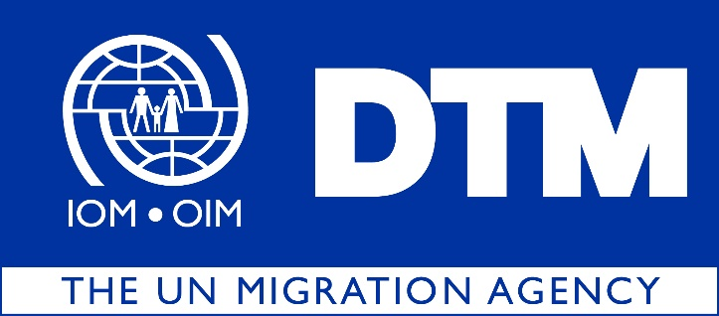

IOM is pleased to share with you the latest Return Index Dataset Round 7, covering the months of November and December 2019
 | During this round of data collection, the Return Index covers 4,479,072 returnees (746,512 households), dispersed across 8 governorates, 38 districts and 1,754 locations in Iraq. Please note that this figure is not equivalent to the total number of returnees and return locations as not all of them are accessible to conduct this assessment. To get more information on all returns in Iraq, please refer to the latest Returnee Master List on the Iraq DTM portal: iraqdtm.iom.int

 |  | The Return Index is a tool designed to measure the severity of conditions in locations of return. The Return Index is built on a list of indicators developed to reflect the displacement context in Iraq. It is based on 16 indicators grouped into two scales: Scale 1, on livelihoods and basic services, and Scale 2, centered around social cohesion and safety perceptions. The scores of the index, scales and all answers are grouped into three categories of severity: ‘low’, ‘medium’ and ‘high’.

 |  | Out of the 1,754 return locations assessed, 293 present severe conditions hosting 12 per cent of the returnee population or 522,090 individuals. As in the previous round, Salah al-Din and Ninewa remain the governorates hosting the highest number of returnees living in severe conditions, with 198,450 and 173,724 individuals respectively.

