ROUND 5
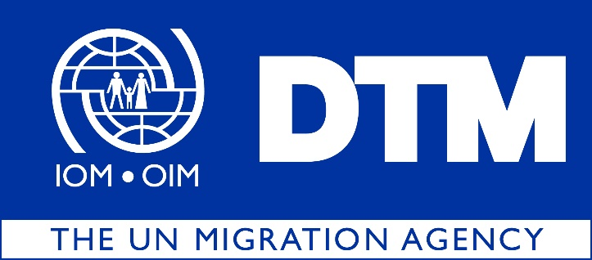

IOM is pleased to share with you the dataset for the fifth round of the Displacement Index (DI), covering the months of October, November and December 2022.
 | During this round of data collection, DTM identified 979,626 IDPs (163,271 households), dispersed across 18 governorates, 103 districts and 2,662 locations in Iraq.

 |  | The DI is a tool designed to measure the severity of conditions in the locations of displacement. The DI is based on 20 indicators across 5 domains: (1) livelihoods, (2) housing, (3) infrastructure and services, (4) safety and security and (5) social inclusiveness. Factor analysis is used to examine the relationship between the domains and their indicators and obtain scores that capture both the relevance of each indicator for a certain domain and the importance of each domain for the overall index. The scores of the index, domains and all answers are grouped into three categories of severity: ‘low’, ‘medium’ and ‘high’.

 |  | Out of the 2,662 displacement locations assessed, 104 present severe conditions hosting 5 per cent of the IDP population or 53,826 individuals. Anbar and Salah al-Din are hosting the highest number of IDPs living in severe conditions, with 17,778 and 16,248 individuals respectively.

