ROUND 8
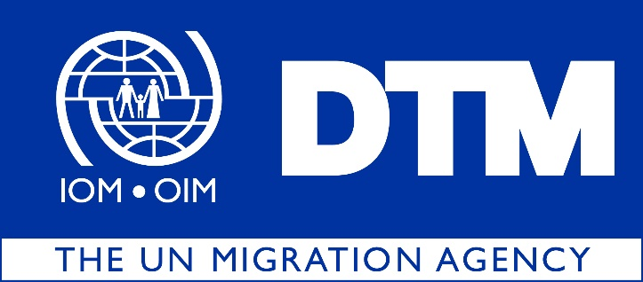

IOM is pleased to share with you the dataset for the eighth round of the Displacement Index (DI), covering the months of September, October, November and December 2023.
 | During this round of data collection, DTM identified 952,080 IDPs (158,680 households), dispersed across 18 governorates, 103 districts and 2,581 locations in Iraq.

 |  | The DI is a tool designed to measure the severity of conditions in the locations of displacement. The DI is based on 20 indicators across 5 domains: (1) livelihoods, (2) housing, (3) infrastructure and services, (4) safety and security and (5) social inclusiveness. Factor analysis is used to examine the relationship between the domains and their indicators and obtain scores that capture both the relevance of each indicator for a certain domain and the importance of each domain for the overall index. The scores of the index, domains and all answers are grouped into three categories of severity: ‘low’, ‘medium’ and ‘high’.

 |  | Out of the 2,581 displacement locations assessed, 106 present severe conditions hosting 6 per cent of the IDP population or 56,250 individuals. Anbar and Salah al-Din hosting the highest number of IDPs living in severe conditions, with 15,624 and 15,462 individuals respectively.

