Dashboard
DISPLACEMENT TRACKING MATRIX
IRAQI RETURNEES FROM ABROAD - DASHBOARD

December 2023
English format | [>1000000]#","###","##0;[>1000]#","##0;0

52,910
Iraqi returnees from abroad
18
Governorates
74
Districts
734
Locations
Total Number of returnees | 52,910
# governorates | 18
# Districts | 74
From May 2018 to December 2023, 52,910 Iraqi returnees from abroad were identified in 18 Governorates, 74 Districts and 734 locations. During this reporting period, IOM Iraq achieved full country coverage.
Most of the returnees from abroad were recorded in the governorates of Thi-Qar (56%), Ninewa (34%) and Anbar (4%). Of those returnees recorded in Thi-Qar, 89 per cent were recorded in the district of Nassriya, while 7 per cent were recorded in Suq Al-Shoyokh. In Ninewa, 62 per cent were recorded in the district of Telafar, while 21 per cent were recorded in Sinjar. Finally, in Anbar, 42 per cent returned to the district of Ana while 39 per cent were in Al-Ka'im. The majority of returnees (47%) were identified as having come from two countries: Turkey (29%) and the Syrian Arab Republic (18%).
Definition: The term "Iraqi returnees from abroad", also referred to as "returnees" in this document, refers to former Iraqi migrants (including former refugees and asylum seekers) who returned to Iraq from a foreign country during the reporting period. This group does not include individuals that had previously been identified as internally displaced persons (IDPs) within Iraq.
# Locations | 734

From May 2018 to December 2023, 52,910 Iraqi returnees from abroad were identified in 18 Governorates, 74 Districts and 734 locations.

RETURNEES BY GOVERNORATE OF RETURN
RETURNEES BY COUNTRY OF DEPARTURE AND GOVERNORATE OF RETURN

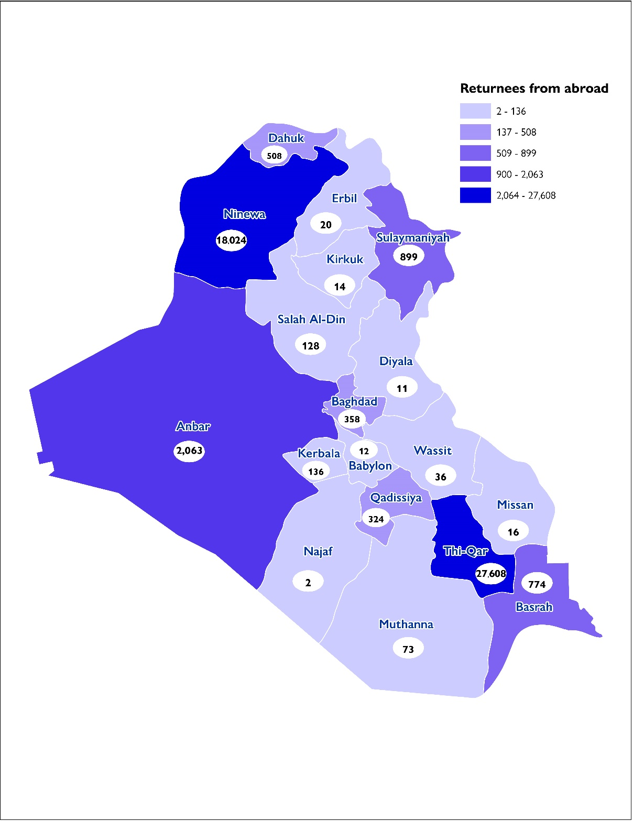
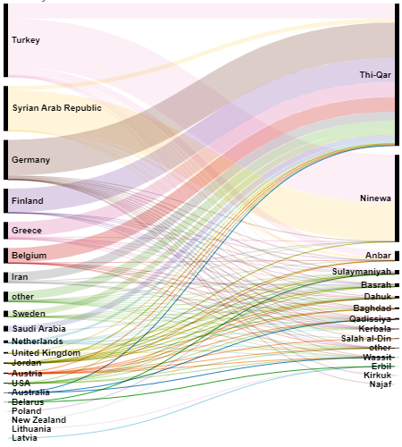

METHODOLOGY
IOM’s DTM aims to monitor displacement and provide accurate data about the IDP and returnee populations in Iraq. Data is collected through IOM’s Rapid Assessment and Response Teams (RARTs) composed of over 100 staff members deployed across Iraq. Data is gathered through a well-established, large network of over 9,500 key informants, which includes community leaders, mukhtars, local authorities and security forces. It should be noted that limited access due to security issues and other operational constraints can affect information-gathering activities.
The information contained in this dashboard should not be linked to the IOM Assisted Voluntary Return and Reintegration (AVRR) operations.

The information contained in this report is for general information purposes only. Names and boundaries on DTM information products do not imply official endorsement or acceptance by IOM. The information in the DTM portal is the result of data collected by IOM field teams and complements information provided and generated by governmental and other entities in Iraq. IOM Iraq endeavors to keep this information as up to date and accurate as possible, but makes no claim —expressed or implied— on the completeness, accuracy and suitability of the information provided through this report. Challenges that should be taken into account when using DTM data in Iraq include the fluidity of the displaced population movements along with repeated emergency situations and limited access to large parts of the country. In no event will IOM be liable for any loss or damage, whether direct, indirect or consequential, related to the use of this report and the information provided herein. This document was produced with the financial assistance of the European Union and the US Bureau of Population, Refugees, and Migration. The views expressed herein can in no way be taken to reflect the official opinion of the European Union or the US Bureau of Population, Refugees, and Migration.

This DTM dashboard is co-funded by the European Union and the US Bureau of Population, Refugees, and Migration

