ROUND 8
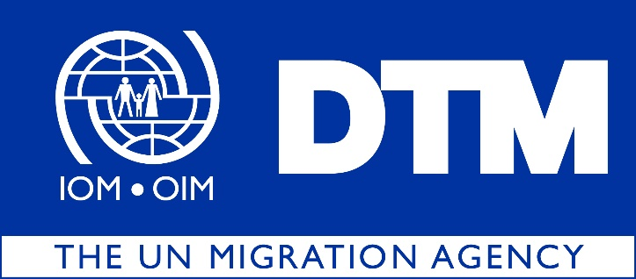

IOM is pleased to share with you the latest Return Index Dataset Round 8, covering the months of January and February 2020
 | During this round of data collection, DTM has identified 4,591,122 returnees (765,187households), dispersed across 8 governorates, 38 districts and 1,850 locations in Iraq.

 |  | The Return Index is a tool designed to measure the severity of conditions in locations of return. The Return Index is built on a list of indicators developed to reflect the displacement context in Iraq. It is based on 16 indicators grouped into two scales: Scale 1, on livelihoods and basic services, and Scale 2, centered around social cohesion and safety perceptions. The scores of the index, scales and all answers are grouped into three categories of severity: ‘low’, ‘medium’ and ‘high’.

 |  | Out of the 1,850 return locations assessed, 327 present severe conditions hosting 11 per cent of the returnee population or 516,552 individuals. As in the previous round, Salah al-Din and Ninewa remain the governorates hosting the highest number of returnees living in severe conditions, with 202,218 and 164,478 individuals respectively.

